Indices

 | Iraq Stock Exchange
 | Bulletin No (27)
 | ISX Trading Indices of Wednesday 11/2/2026

 | Traded Volume and OTC |  | 380,389,228 |  | Traded Value and OTC |  | 681,872,066 |  | Traders | 820

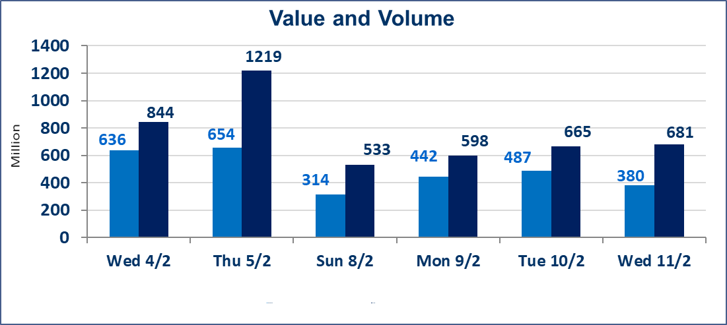
 | ISX Index 60 |  |  | 949.75 | ISX Index 15 |  |  | 1225.33
 | Previous ISX Index60 |  |  | 952.69 | Previous ISX Index15 |  |  | 1223.82
 | Change % |  |  | -0.31 | Change % |  |  | 0.12
 | Change |  |  | -2.94 | Change |  |  | 1.51

 | Listed Companies | 104 | OTC | 14 | Non Traded listed | 42 | OTC | 13
 | Traded Listed Companies | 50 | OTC | 1 | Higher Companies |  |  | 12
 | GAM Companies |  |  | 2 | Lower Companies |  |  | 16
 | Suspended Companies |  |  | 10
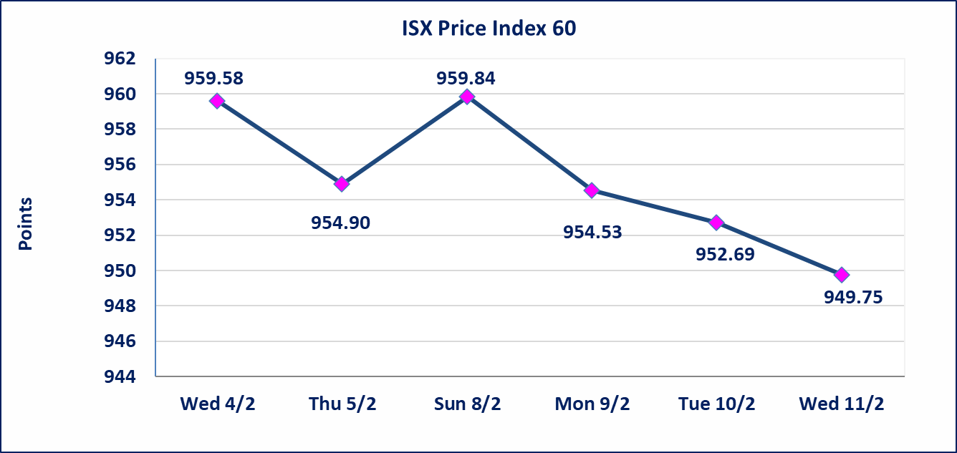
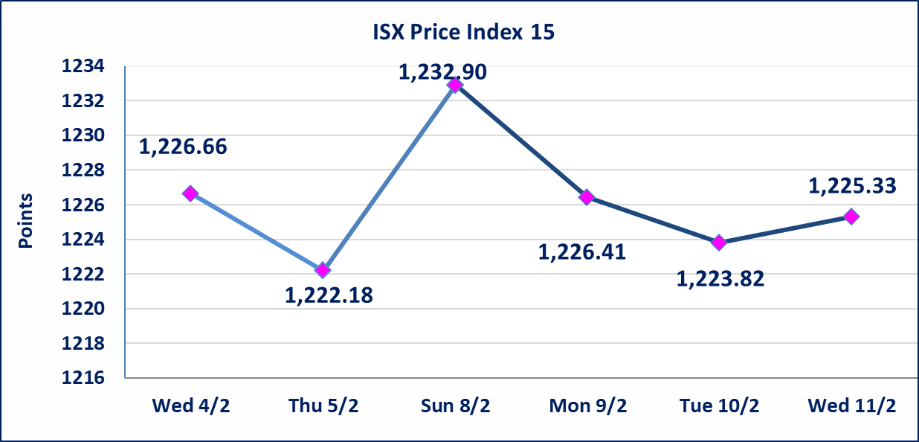

Al-Alwiya P.O . 3607 Mobile: 07711211522 - 07270094594 - 07834000034 E-mail: info-isx@isx-iq.net Web site:www.isx-iq.net

Top 5
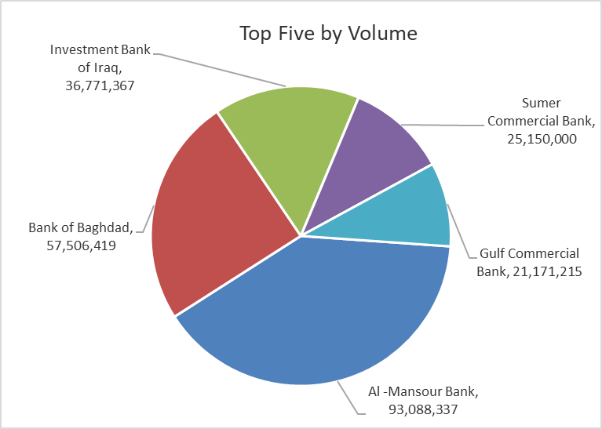
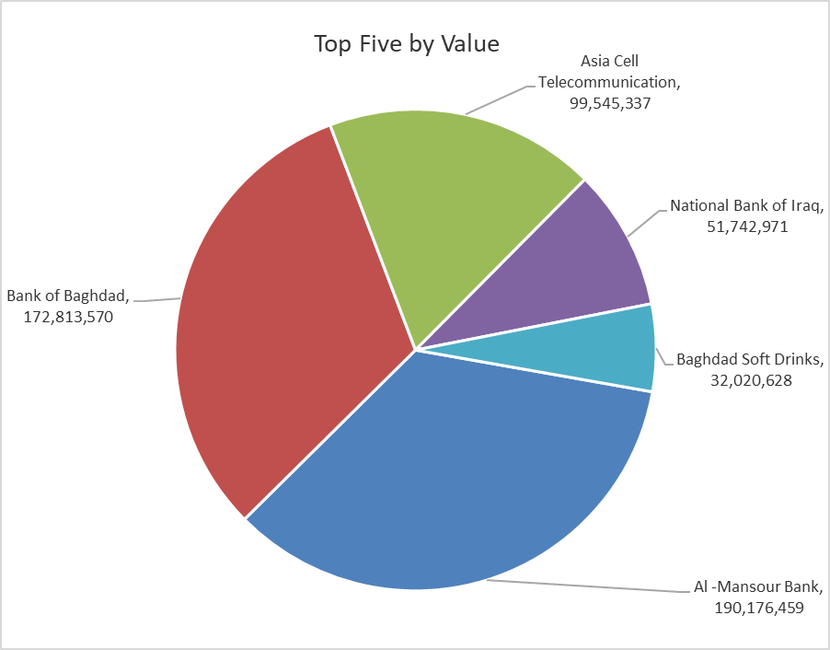

ISX top ganing and losing companies
Wednesday 11/2/2026
 | Gainers |  |  |  | Losers
 | Company Name | Closing Price | Change (%) | Traded Volume | Company Name | Closing Price | Change (%) | Traded Volume
 | National Islamic Bank | 0.440 | 10.00 | 200,000 | Al-Ameen for Insurance | 0.830 | -7.78 | 495
 | Fallujah for construction Materials | 2.980 | 7.97 | 6,159,339 | Credit Bank Of Iraq | 0.580 | -6.45 | 9,216,000
 | Baghdad -Iraq Transportation | 24.500 | 6.52 | 1,010,213 | General Transportation | 1.520 | -5.00 | 30,086
 | Ashur International Bank | 0.250 | 4.17 | 2,251,000 | Iraqi Carton Manufactories | 2.430 | -4.71 | 150,000
 | Iraqi Date Processing and Marketing | 2.800 | 3.70 | 435,000 | Modern Construction Materials | 1.900 | -4.52 | 28,248
 | The most active companies in term of traded volume and value

 | Traded Volume |  |  |  | Traded Value
 | Company Name | Closing Price | Change (%) | Traded Volume | Company Name | Closing Price | Change (%) | Traded Value
 | Al -Mansour Bank | 2.040 | -0.49 | 93,088,337 | Al -Mansour Bank | 2.040 | -0.49 | 190,176,459
 | Bank of Baghdad | 3.000 | -0.99 | 57,506,419 | Bank of Baghdad | 3.000 | -0.99 | 172,813,570
 | Investment Bank of Iraq | 0.220 | 0.00 | 36,771,367 | Asia Cell Telecommunication | 14.950 | 0.47 | 99,545,337
 | Sumer Commercial Bank | 0.130 | 0.00 | 25,150,000 | National Bank of Iraq | 4.650 | 1.09 | 51,742,971
 | Gulf Commercial Bank | 0.280 | 0.00 | 21,171,215 | Baghdad Soft Drinks | 5.790 | -0.17 | 32,020,628

Not Trading Bonds

Iraq Stock Exchange
Wednesday 11/2/2026
Not Trading Bonds Bulletin
Bond type | Publish type | Code | last trading price | immortilize date
Banaa Bonds /Million ID | Second | CB20 | 964,981 | 19/12/2025
Eamar Bonds /Million ID | First | CB30 | 1,001,095 | ــــــــــــــــ
Eamar Bonds /Million ID | Second | CB40 | ــــــــــــــــ | ــــــــــــــــ
Eamar Bonds /500 Thousand ID | Third | CB45 | ــــــــــــــــ | ــــــــــــــــ
Eamar Bonds /Million ID | Third | CB50 | ــــــــــــــــ | ــــــــــــــــ
Injaz Bonds /500 Thousand ID | First | CB55 | ــــــــــــــــ | ــــــــــــــــ
Injaz Bonds /Million ID | First | CB60 | ــــــــــــــــ | ــــــــــــــــ
Injaz Bonds /500 Thousand ID | Second | CB65 | 515,047 | ــــــــــــــــ
Injaz Bonds /Million ID | Second | CB70 | 1,026,082 | ــــــــــــــــ
Injaz Bonds /500 Thousand ID | Third | CB75 | ــــــــــــــــ | ــــــــــــــــ
Injaz Bonds /Million ID | Third | CB80 | 978,182 | ــــــــــــــــ
National Bonds/Million ID | First | CB90 | ــــــــــــــــ | ــــــــــــــــ
National Bonds/500 Thousand ID | Second | CB95 | ــــــــــــــــ | ــــــــــــــــ
National Bonds/Million ID | Second | CB100 | ــــــــــــــــ | ــــــــــــــــ

